Date & Calendar - Enter Monday
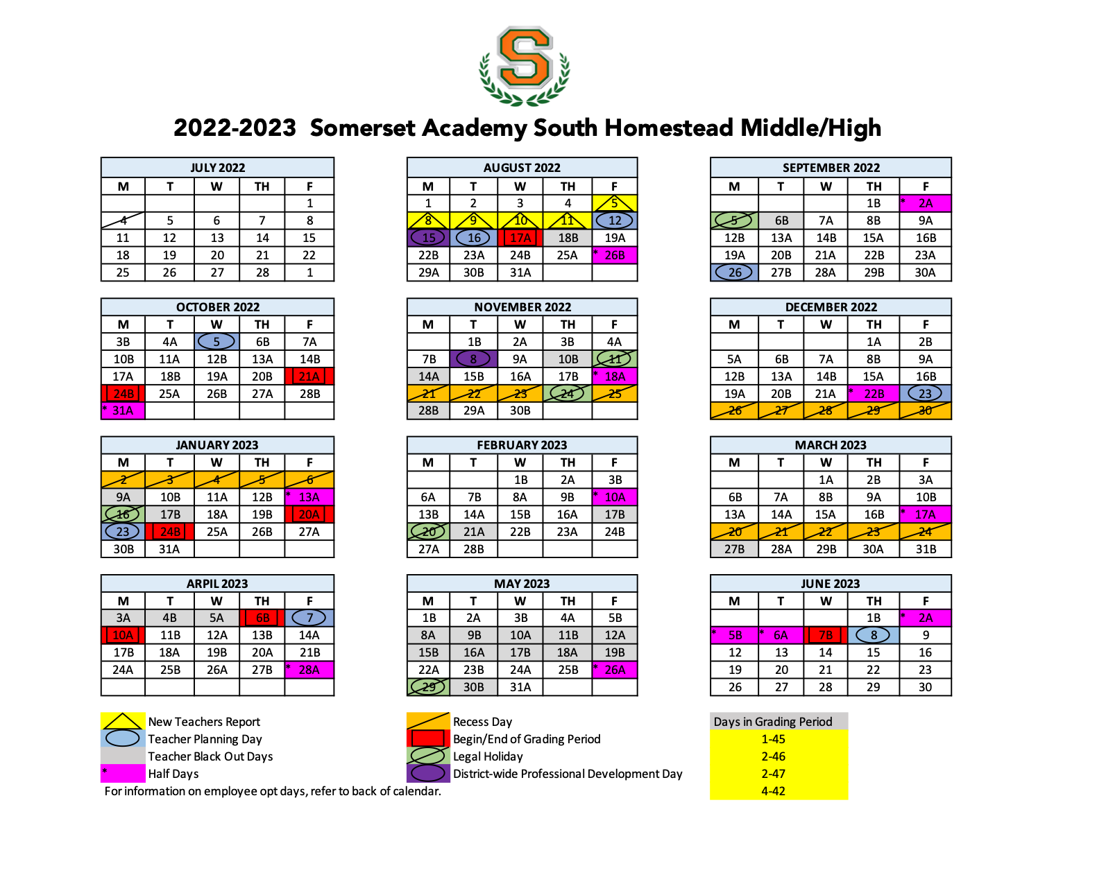
Enter Monday’s Date
Enter Date:
8/15/2022

